Cloud DEV Install Manual
Annotation UI - Cloud DEV Install Manual

1. Required
 | 1.1. Software and development tools

 |  | - Windows 10 or Ubuntu 20.04 LTS
 |  | - Visual Studio Code
 |  | - MongoDB 4x or Later
 |  | - NodeJS 14.x or Later - https://nodejs.org/en/
 |  | - Ffmpeg 4.4 or Later - https://www.gyan.dev/ffmpeg/builds/
 |  | - AWS CLI - https://aws.amazon.com/cli/

 | 1.2. Source code

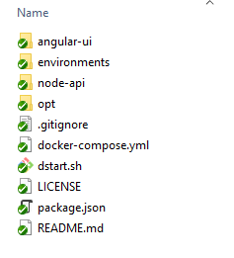

 |  | - angular-ui: Source code FrontEnd, using Angular 12.2.x
 |  | - node-api: Source code BackEnd, using ExpressJS v4.17.x
 |  | - others: Config for docker

2. Install NodeAPI Server
 | 2.1. Install node_modules
 |  | - Open "node-api" in VSCode
 |  | - Open Terminal
 |  | - Run CMD: npm install

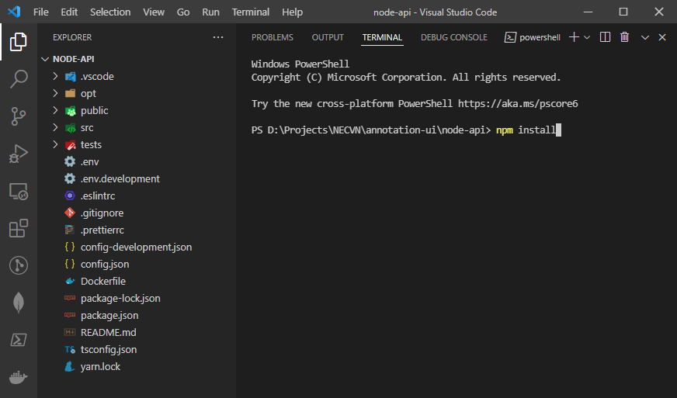

 |  | After install node_modules successfully

 | 2.2. Edit environment for DEV
 |  | - Edit ".env" in node-api folder

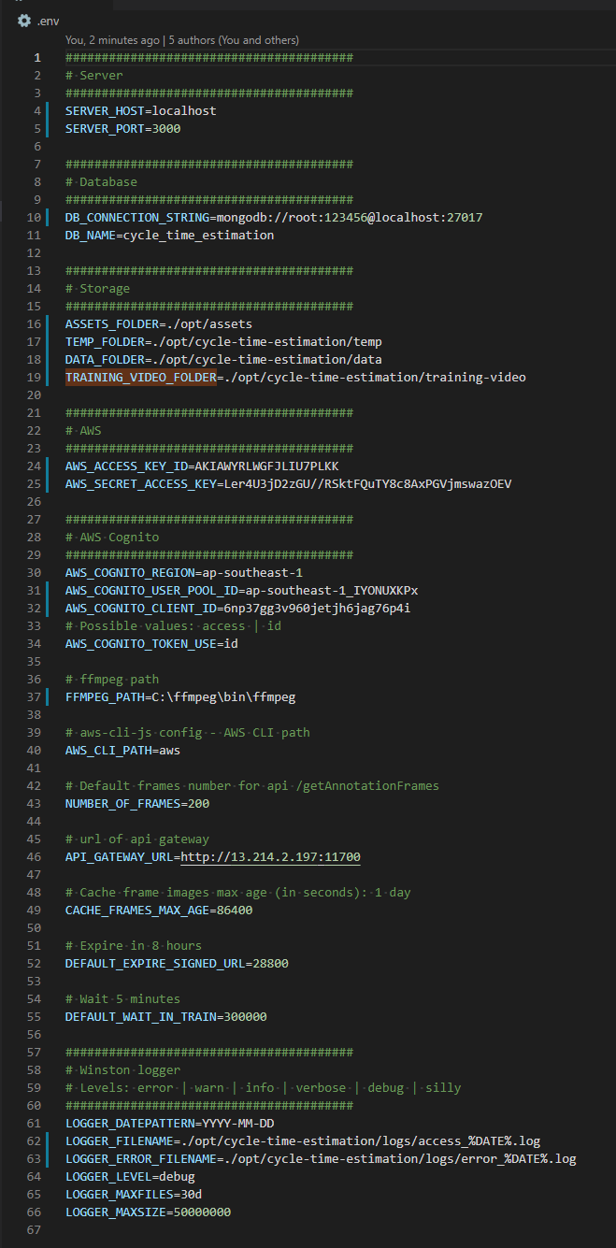

 |  |  | In DEV mode, please setting "localhost"

 |  |  | MongoDB connection string
 |  |  | MongoDB name

 |  |  | Folder path using to stored file

 |  |  | AWS Access Key (using for Cognito)
 |  |  | AWS Secrect Access Key (using for Cognito)

 |  |  | Cognito region
 |  |  | Cognito Pool Id
 |  |  | Cognito Client Id

 |  |  | Ffmpeg tool path

 |  |  | AWS CLI tool path

 |  |  | API Gateway, using to call training video

 |  |  | Log access/error path

 | 2.3. Start NodeAPI Server
 |  | - Run CMD "npm run dev" to start DEV server

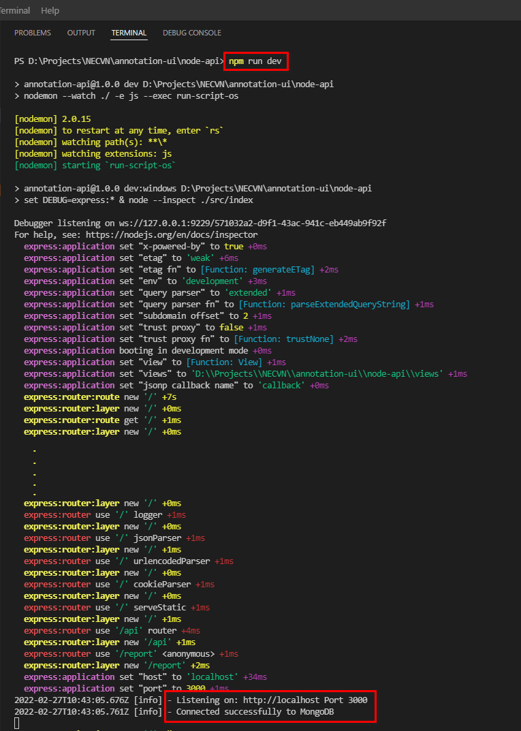

 | 2.4. Check NodeAPI Server after Run

 |  | Using REST Client tool to check API

3. Install AngularUI
 | 3.1. Install node_modules
 |  | - Open "angular-ui" in VSCode
 |  | - Open Terminal
 |  | - Run CMD: npm install

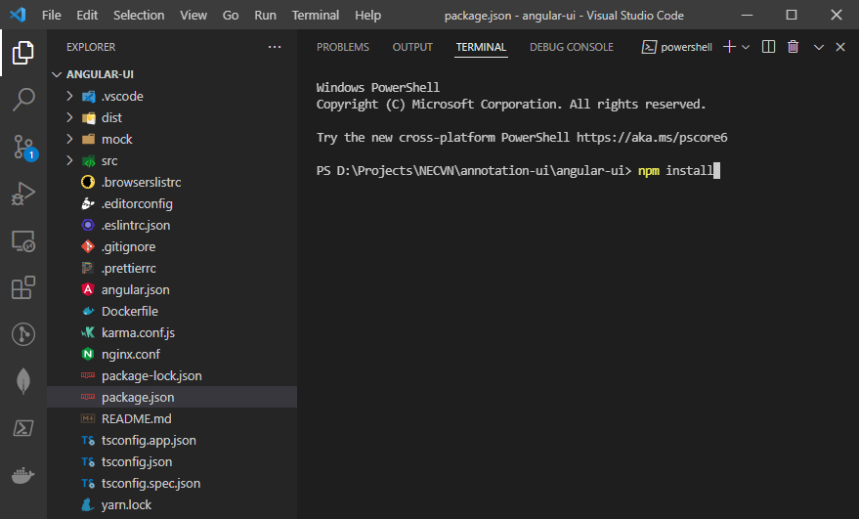

 |  | After install node_modules successfully

 | 3.2. Edit environment for DEV
 |  | - Edit "/src/environments/environment.ts" in angular-ui folder
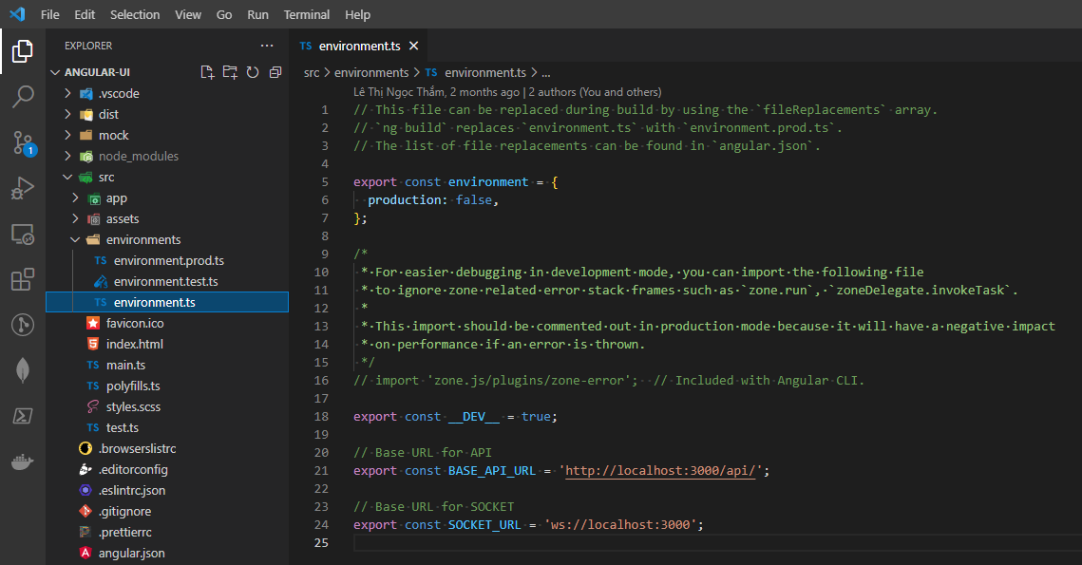

 |  |  |  | Change to HOST, POST of NodeAPI Server

 |  |  |  | Change to HOST, POST of NodeAPI Server

 | 3.3. Start AngularUI
 |  | - Run CMD "npm Start" to start DEV

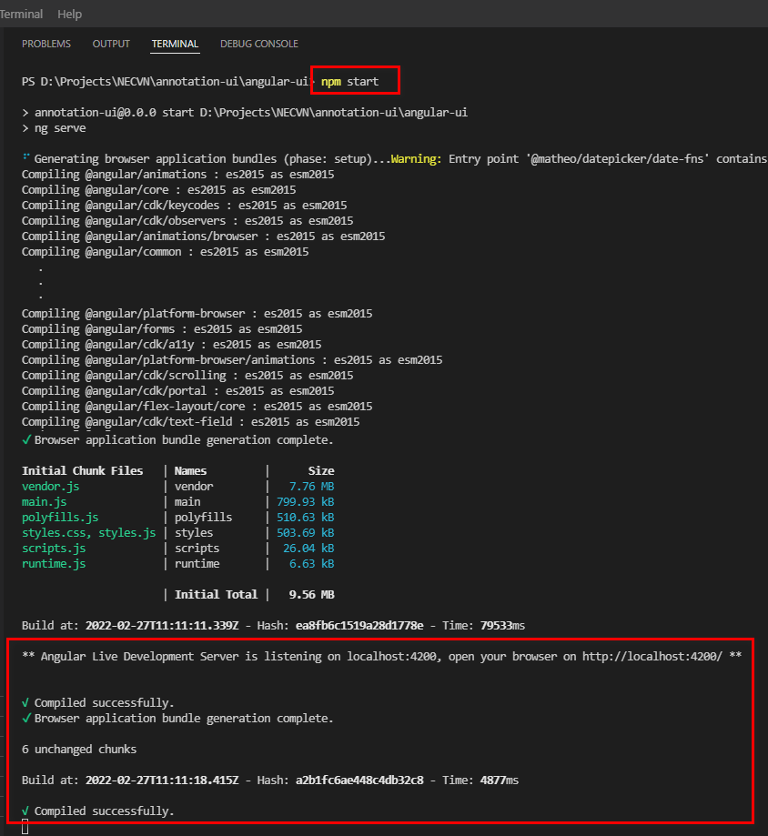

 | 3.4. Check AngularUI after Run

 |  | Access to URL: http://localhost:4200 to view result

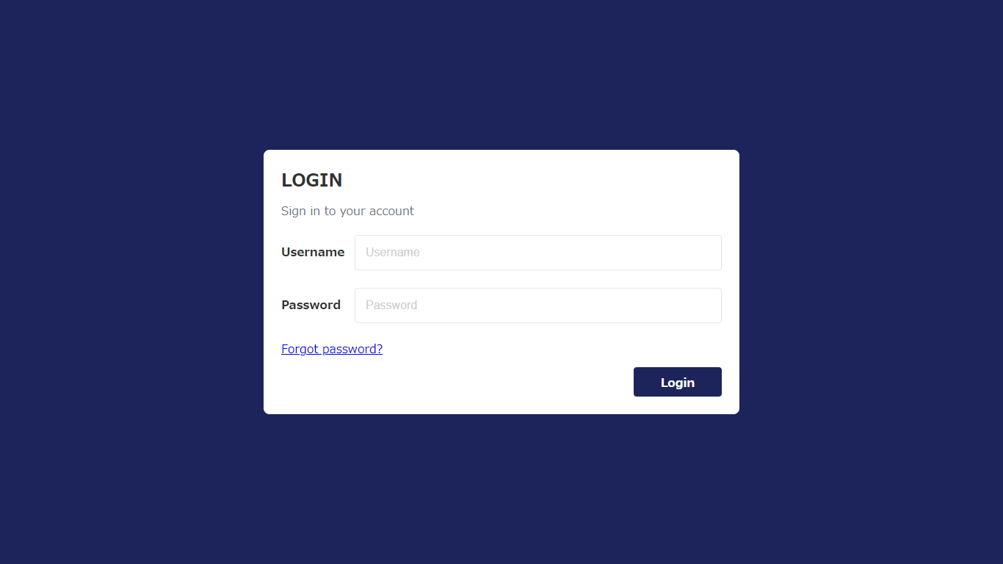

 |  | Use the Cognito account configured at .env of Node API to login

Cloud Deploy Manual
Annotation UI - Cloud Deploy Manual

1. Required
 | 1.1. Software and development tools

 |  | - Unix (Linux or Ubuntu), this document use Ubuntu 20.04 LTS
 |  | - Docker Desktop for Ubuntu - https://docs.docker.com/engine/install/ubuntu/
 |  | - Docker Compose - https://docs.docker.com/compose/install/
 |  | - NodeJS 14.x or Later - https://nodejs.org/en/

2. Install dependencies and build project
 | 2.1. Install dependencies
 |  | - In the Ubuntu system, open terminal, go to root project folder

 |  | - And run CMD "npm run solve" to install dependencies

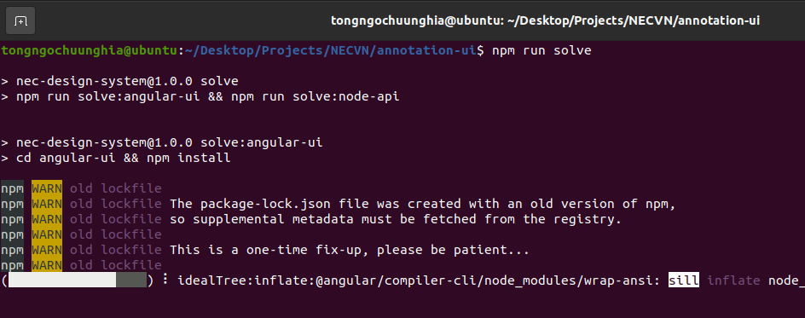

 | 2.2. Edit environment for PROD
 |  | 2.2.1. Edit MongoDB information
 |  | - Edit MongoDB info at "<project>/environments/mongodb.env" if need

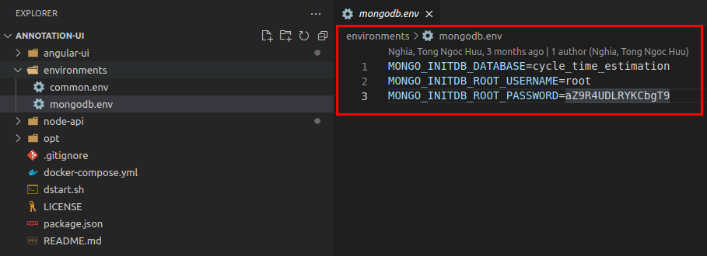

 |  | 2.2.2. Edit environment of NodeAPI Server
 |  | - Edit "<project>/node-api/.env" (using any text editor tools to edit)

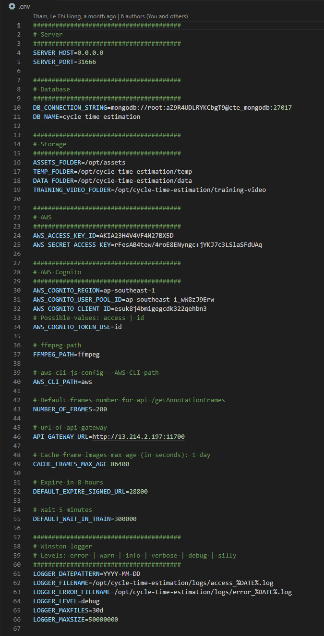

 |  |  | In PROD mode, please setting "0.0.0.0" or public Ip Address
 |  |  | Port of NodeAPI Server PROD

 |  |  | MongoDB connection string
 |  |  | MongoDB name
 |  |  | (Please config info same with "<project>/evironments/mongodb.env")

 |  |  | Folder path using to stored file

 |  |  | AWS Access Key (using for Cognito)
 |  |  | AWS Secrect Access Key (using for Cognito)

 |  |  | Cognito region
 |  |  | Cognito Pool Id
 |  |  | Cognito Client Id

 |  |  | Ffmpeg tool path

 |  |  | AWS CLI tool path

 |  |  | API Gateway, using to call training video

 |  |  | Log access/error path

 |  | 2.2.3. Edit config Company Group and bucket in AWS

 |  | - Each company will be configured with a bucket at "<project>/node-api/config.json"
 |  | Configure structure:
 |  | {
 |  | "accessKeyId": "AWS Access Key",
 |  | "secretAccessKey": "AWS Secrect Access Key",
 |  | "bucket": "AWS Bucket Name",
 |  | "groupName": "Cognito Group Name"
 |  | }

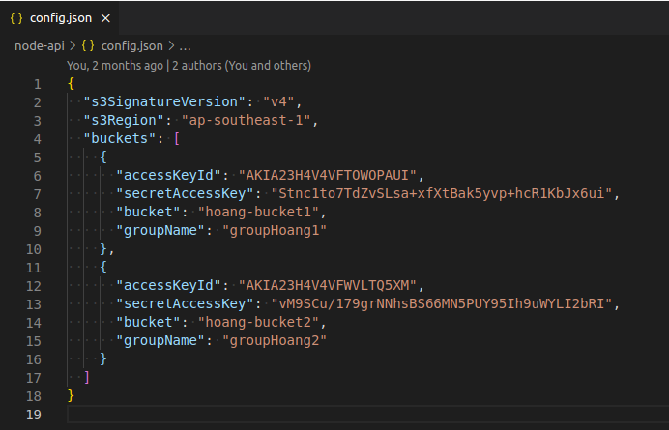

 |  | 2.2.4. Edit config nginx of AngularUI
 |  | - Edit "<project>/angular-ui/nginx.conf" (using any text editor tools to edit)

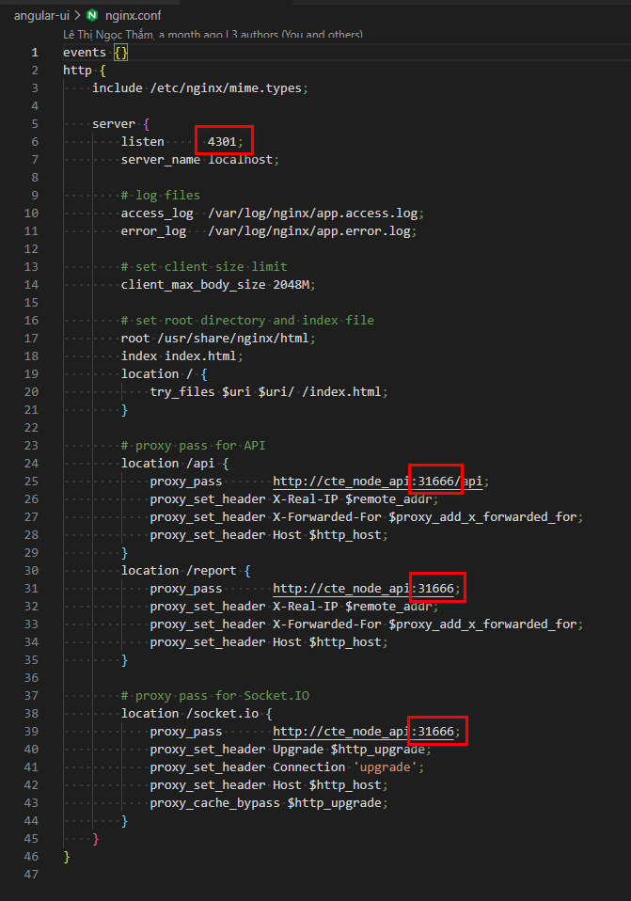

 |  |  | PORT of PROD FrontEnd (Annotation UI)

 |  |  | Maximum file size allow upload to annoration ui

 |  |  | Port of NodeAPI Server
 |  |  | (Please config same with port of NodeAPI Server)

 |  |  | Port of NodeAPI Server
 |  |  | (Please config same with port of NodeAPI Server)

 |  |  | Port of NodeAPI Server
 |  |  | (Please config same with port of NodeAPI Server)

 |  | 2.2.5. Edit environment of AngularUI
 |  | - Edit "<project>/angular-ui/src/environments/environment.prod.ts" (using any text editor tools to edit)

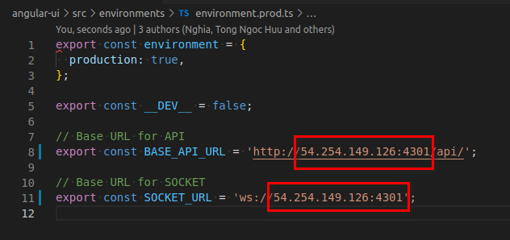

 |  |  | Public IP Address of AngularUI Server
 |  |  | Port configured in the nginx.conf

 | 2.3. Build project
 |  | - Run CMD "npm run build" to build PROD

 |  | - Result after build success

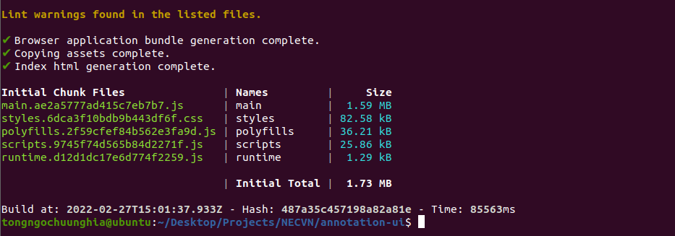

3. Deploy Cloud Version
 | 3.1. Build docker images
 |  | - In the Ubuntu system, open terminal, go to root project folder

 |  | - Continue, run "sudo docker-compose build" in terminal

 |  | - Result after build docker images successfully

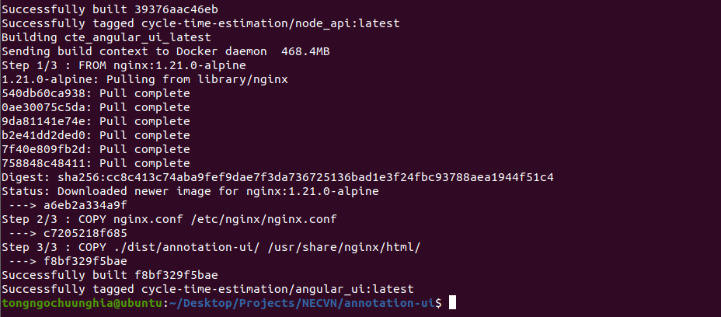

 |  | - Run "sudo docker image" to view images after build

 | 3.1. Start docker container (run all services)
 |  | - In terminal, run command "sudo docker-compose up -d" to start docker container
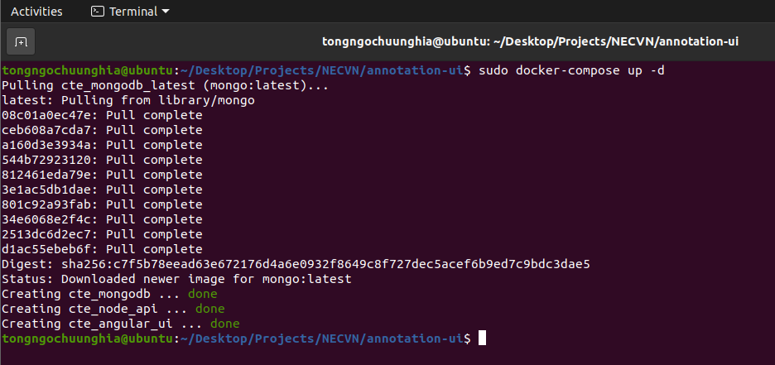

 |  | - Run "sudo docker ps" to view running container

4. Add new the Company
 | 4.1.Add new Bucket & Cognito Group, Access Key, Secret Key at AWS
 |  | - Create S3 Bucket

 |  | - Create a User at IAM AWS Console

 |  | - Add Policy User can access to S3
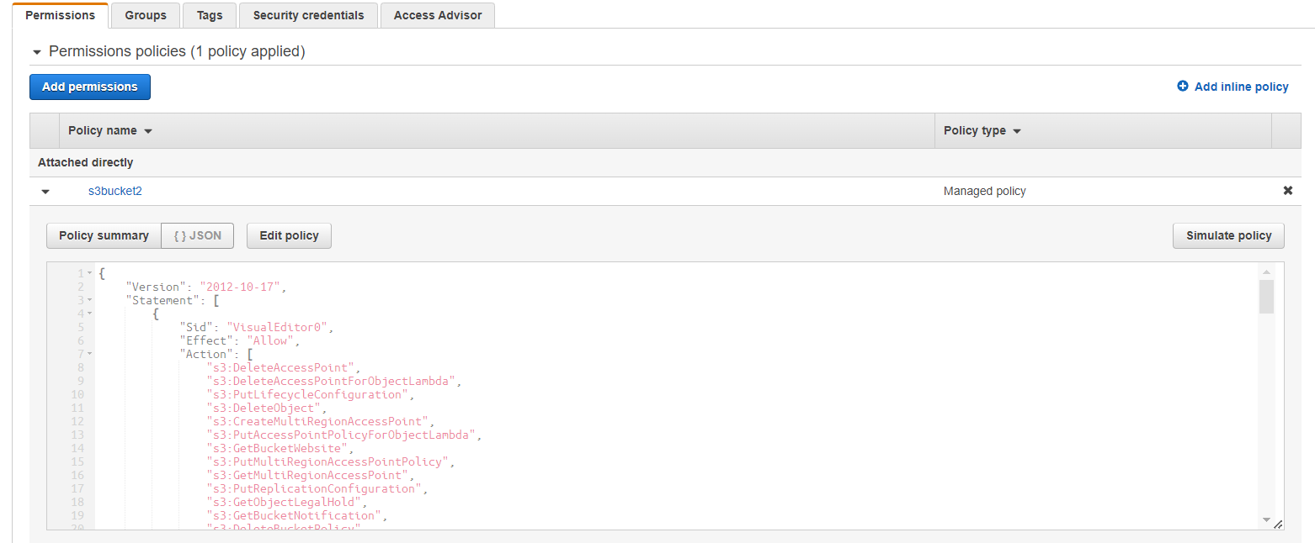

 |  | {
 |  | "Version": "2012-10-17",
 |  | "Statement": [
 |  | {
 |  | "Sid": "VisualEditor0",
 |  | "Effect": "Allow",
 |  | "Action": [
 |  | "s3:DeleteAccessPoint",
 |  | "s3:DeleteAccessPointForObjectLambda",
 |  | "s3:PutLifecycleConfiguration",
 |  | "s3:DeleteObject",
 |  | "s3:CreateMultiRegionAccessPoint",
 |  | "s3:PutAccessPointPolicyForObjectLambda",
 |  | "s3:GetBucketWebsite",
 |  | "s3:PutMultiRegionAccessPointPolicy",
 |  | "s3:GetMultiRegionAccessPoint",
 |  | "s3:PutReplicationConfiguration",
 |  | "s3:GetObjectLegalHold",
 |  | "s3:GetBucketNotification",
 |  | "s3:DeleteBucketPolicy",
 |  | "s3:GetReplicationConfiguration",
 |  | "s3:DescribeMultiRegionAccessPointOperation",
 |  | "s3:PutObject",
 |  | "s3:PutBucketNotification",
 |  | "s3:PutObjectVersionAcl",
 |  | "s3:PutBucketObjectLockConfiguration",
 |  | "s3:PutAccessPointPolicy",
 |  | "s3:GetStorageLensDashboard",
 |  | "s3:GetLifecycleConfiguration",
 |  | "s3:GetBucketTagging",
 |  | "s3:GetInventoryConfiguration",
 |  | "s3:GetAccessPointPolicyForObjectLambda",
 |  | "s3:ListBucket",
 |  | "s3:AbortMultipartUpload",
 |  | "s3:UpdateJobPriority",
 |  | "s3:DeleteBucket",
 |  | "s3:PutBucketVersioning",
 |  | "s3:GetMultiRegionAccessPointPolicyStatus",
 |  | "s3:ListBucketMultipartUploads",
 |  | "s3:PutIntelligentTieringConfiguration",
 |  | "s3:PutMetricsConfiguration",
 |  | "s3:GetBucketVersioning",
 |  | "s3:GetAccessPointConfigurationForObjectLambda",
 |  | "s3:PutInventoryConfiguration",
 |  | "s3:ObjectOwnerOverrideToBucketOwner",
 |  | "s3:GetStorageLensConfiguration",
 |  | "s3:DeleteStorageLensConfiguration",
 |  | "s3:PutBucketWebsite",
 |  | "s3:PutBucketRequestPayment",
 |  | "s3:PutObjectRetention",
 |  | "s3:CreateAccessPointForObjectLambda",
 |  | "s3:GetBucketCORS",
 |  | "s3:DeleteAccessPointPolicy",
 |  | "s3:GetObjectVersion",
 |  | "s3:PutAnalyticsConfiguration",
 |  | "s3:PutAccessPointConfigurationForObjectLambda",
 |  | "s3:GetObjectVersionTagging",
 |  | "s3:CreateBucket",
 |  | "s3:GetStorageLensConfigurationTagging",
 |  | "s3:ReplicateObject",
 |  | "s3:GetObjectAcl",
 |  | "s3:GetBucketObjectLockConfiguration",
 |  | "s3:DeleteBucketWebsite",
 |  | "s3:GetIntelligentTieringConfiguration",
 |  | "s3:DeleteAccessPointPolicyForObjectLambda",
 |  | "s3:GetObjectVersionAcl",
 |  | "s3:PutBucketAcl",
 |  | "s3:GetBucketPolicyStatus",
 |  | "s3:GetObjectRetention",
 |  | "s3:GetJobTagging",
 |  | "s3:PutObjectLegalHold",
 |  | "s3:PutBucketCORS",
 |  | "s3:ListMultipartUploadParts",
 |  | "s3:GetObject",
 |  | "s3:DescribeJob",
 |  | "s3:PutBucketLogging",
 |  | "s3:GetAnalyticsConfiguration",
 |  | "s3:GetObjectVersionForReplication",
 |  | "s3:GetAccessPointForObjectLambda",
 |  | "s3:CreateAccessPoint",
 |  | "s3:PutAccelerateConfiguration",
 |  | "s3:DeleteObjectVersion",
 |  | "s3:GetBucketLogging",
 |  | "s3:ListBucketVersions",
 |  | "s3:RestoreObject",
 |  | "s3:GetAccelerateConfiguration",
 |  | "s3:GetBucketPolicy",
 |  | "s3:PutEncryptionConfiguration",
 |  | "s3:GetEncryptionConfiguration",
 |  | "s3:GetObjectVersionTorrent",
 |  | "s3:GetBucketRequestPayment",
 |  | "s3:GetAccessPointPolicyStatus",
 |  | "s3:GetObjectTagging",
 |  | "s3:GetBucketOwnershipControls",
 |  | "s3:GetMetricsConfiguration",
 |  | "s3:PutObjectAcl",
 |  | "s3:GetBucketPublicAccessBlock",
 |  | "s3:PutBucketPublicAccessBlock",
 |  | "s3:GetMultiRegionAccessPointPolicy",
 |  | "s3:GetAccessPointPolicyStatusForObjectLambda",
 |  | "s3:PutBucketOwnershipControls",
 |  | "s3:DeleteMultiRegionAccessPoint",
 |  | "s3:UpdateJobStatus",
 |  | "s3:GetBucketAcl",
 |  | "s3:BypassGovernanceRetention",
 |  | "s3:GetObjectTorrent",
 |  | "s3:PutBucketPolicy",
 |  | "s3:GetBucketLocation",
 |  | "s3:GetAccessPointPolicy",
 |  | "s3:ReplicateDelete"
 |  | ],
 |  | "Resource": [
 |  | "arn:aws:s3:::s3-bucket-upload-test-2021-02/*",
 |  | "arn:aws:s3:::s3-bucket-upload-test-2021-02"
 |  | ]
 |  | },
 |  | {
 |  | "Sid": "VisualEditor1",
 |  | "Effect": "Allow",
 |  | "Action": [
 |  | "s3:ListStorageLensConfigurations",
 |  | "s3:ListAccessPointsForObjectLambda",
 |  | "s3:GetAccessPoint",
 |  | "s3:PutAccountPublicAccessBlock",
 |  | "s3:GetAccountPublicAccessBlock",
 |  | "s3:ListAllMyBuckets",
 |  | "s3:ListAccessPoints",
 |  | "s3:ListJobs",
 |  | "s3:PutStorageLensConfiguration",
 |  | "s3:ListMultiRegionAccessPoints",
 |  | "s3:CreateJob"
 |  | ],
 |  | "Resource": "*"
 |  | }
 |  | ]
 |  | }

 |  | -Generate Access key and Sceret Key
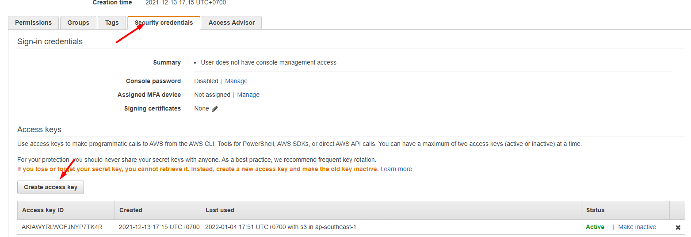

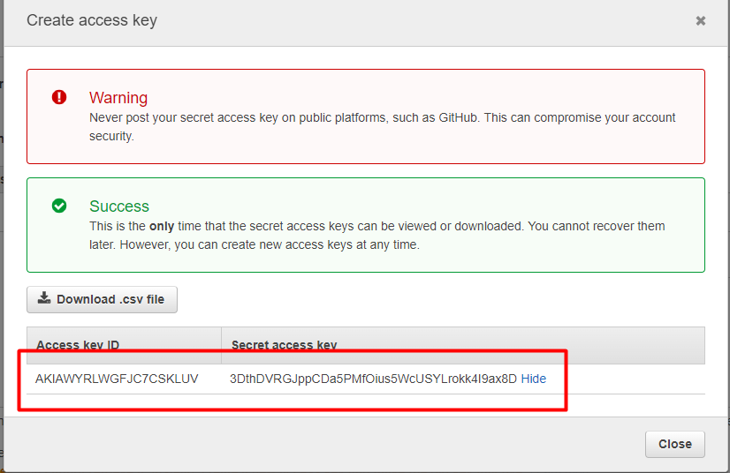

 |  | - Create new group cognito

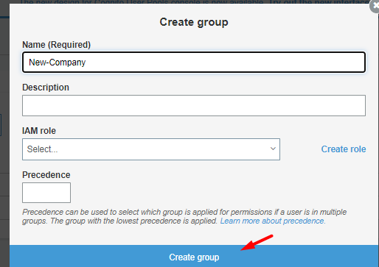

 | 4.2. Add new config for the Company
 |  | - After deploying, if you want to add a company, then proceed to add the config for the company to the
 |  | "<project>/node-api/config.json" file, then restart the docker container

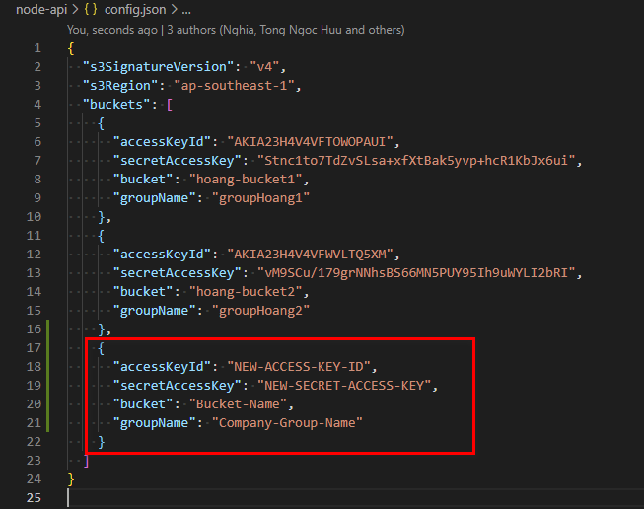
 |  | Example:
 |  | Current config.json |  | After add new Company

 |  | - Run "docker restart cte_node_api" to restart docker container

5. Add new admin account
 |  | - Using REST Client tool to run API /addAdmin
 |  | - Add authorization value following: "Authorization: MTMyNTNBMUZEN0UyMEE4RDFEQzM5MjBDQ0M4N0U2MTVCQzkwQkNFREFCMzQ2NjMyQzc0NkNCODREQ0U3ODQyRUU3MDk0QzM4QjI2QTdBNUM1QTM0NUU1RTRCNDk2RTQxREU3RTdBN0Q4MEQwOEMyQzk3QUE1MkUzNTgzOTAwQ0I"
 |  | - After successful API/addAdmin call, username and password are responded

6. Viewing Result
 |  | - Point browser to "ip address of machine:4301", e.g. "192.168.10.122:4301"

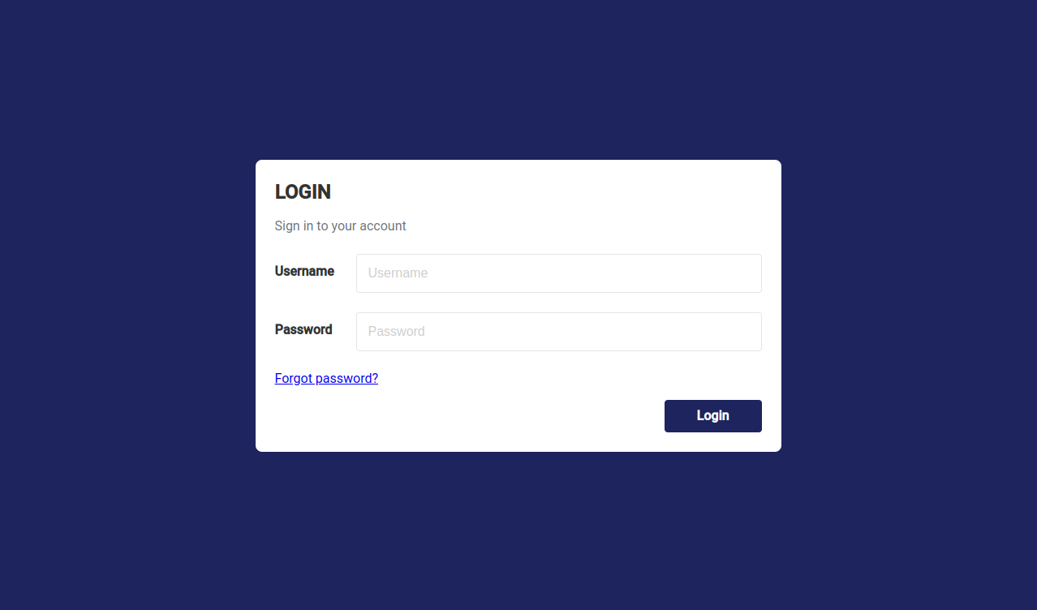

7. Stop/start/restart docker
 | 7.1. Get list of container name
 |  | - Run command "sudo docker ps" to get list of container

 | 7.2. Stop/start/restart docker container
 |  | - After getting the name of the container, continue to execute the command below to stop/start or restart container by name
 |  | "sudo docker start|stop|restart <container name>"
 |  | + start: Start docker container
 |  | + stop: Start docker container
 |  | + restart: Start docker container
 |  | + <container name>: Name of docker container ["cte_angular_ui", "cte_node_api", "cte_mongodb"]

 |  | E.g.: sudo docker restart cte_node_api

Edge DEV Install Manual
Annotation UI - Edge DEV Install Manual
(Just like the Cloud version, Edge also uses the same technologies, installation and deployment is almost the same as Cloud.)

1. Required
 | 1.1. Software and development tools

 |  | - Windows 10 or Ubuntu 20.04 LTS
 |  | - Visual Studio Code
 |  | - MongoDB 4x or Later
 |  | - NodeJS 14.x or Later - https://nodejs.org/en/
 |  | - Ffmpeg 4.4 or Later - https://www.gyan.dev/ffmpeg/builds/
 |  | - AWS CLI - https://aws.amazon.com/cli/

 | 1.2. Source code

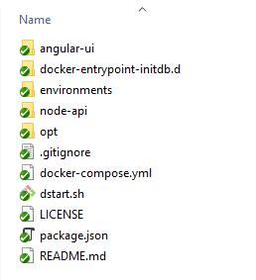

 |  | - angular-ui: Source code FrontEnd, using Angular 12.2.x
 |  | - node-api: Source code BackEnd, using ExpressJS v4.17.x
 |  | - others: Config for docker

2. Install NodeAPI Server
 | 2.1. Install node_modules
 |  | - Open "node-api" in VSCode
 |  | - Open Terminal
 |  | - Run CMD: npm install

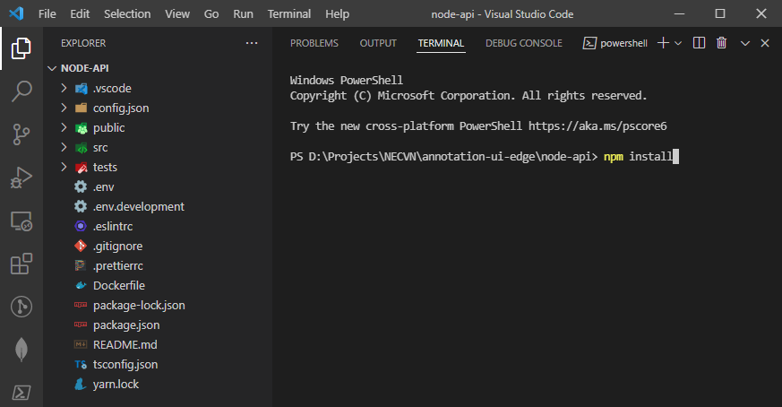

 |  | After install node_modules successfully

 | 2.2. Edit environment for DEV
 |  | - Edit ".env" in node-api folder
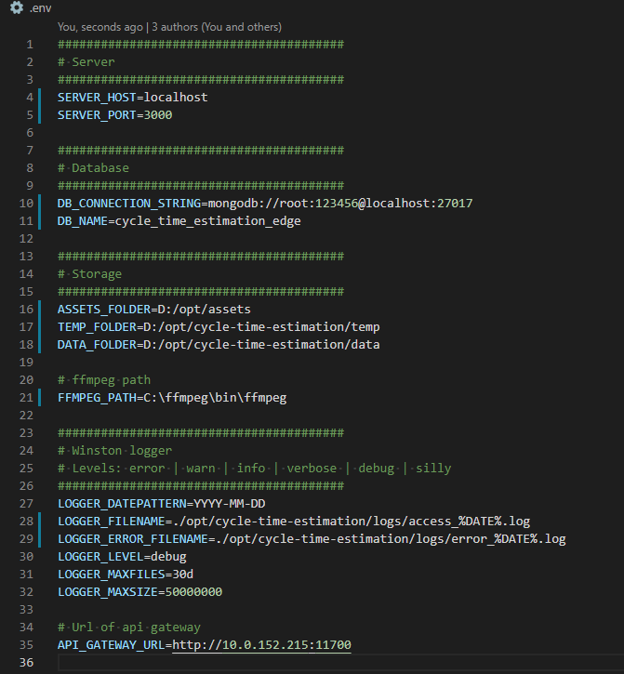

 |  |  | In DEV mode, please setting "localhost"

 |  |  | MongoDB connection string
 |  |  | MongoDB name

 |  |  | Folder path using to stored file

 |  |  | Ffmpeg tool path

 |  |  | Log access/error path

 |  |  | API Gateway, using to call generate report

 | 2.3. Start NodeAPI Server
 |  | - Run CMD "npm run dev" to start DEV server

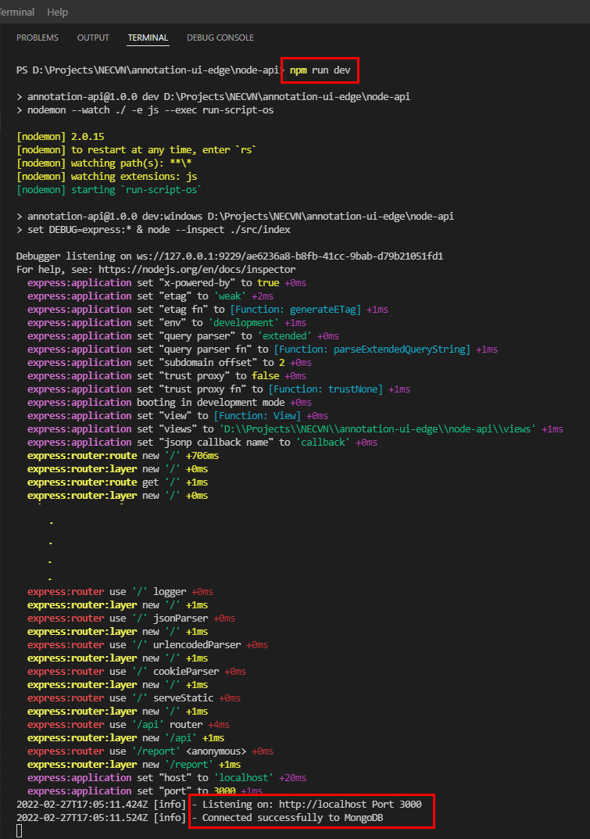

 | 2.4. Check NodeAPI Server after Run

 |  | Using REST Client tool to check API

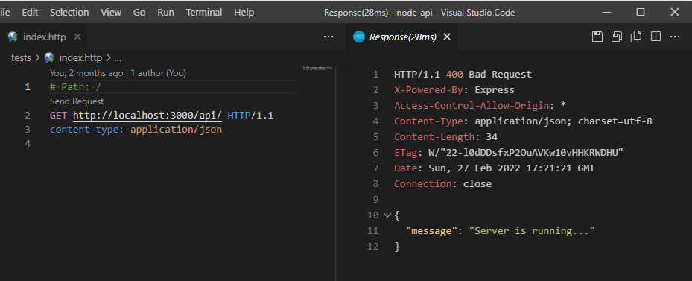

3. Install AngularUI
 | 3.1. Install node_modules
 |  | - Open "angular-ui" in VSCode
 |  | - Open Terminal
 |  | - Run CMD: npm install

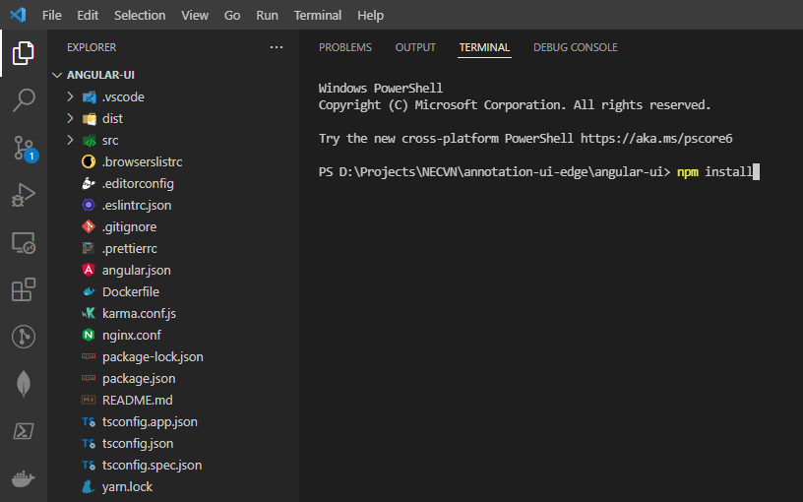

 |  | After install node_modules successfully

 | 3.2. Edit environment for DEV
 |  | - Edit "/src/environments/environment.ts" in angular-ui folder

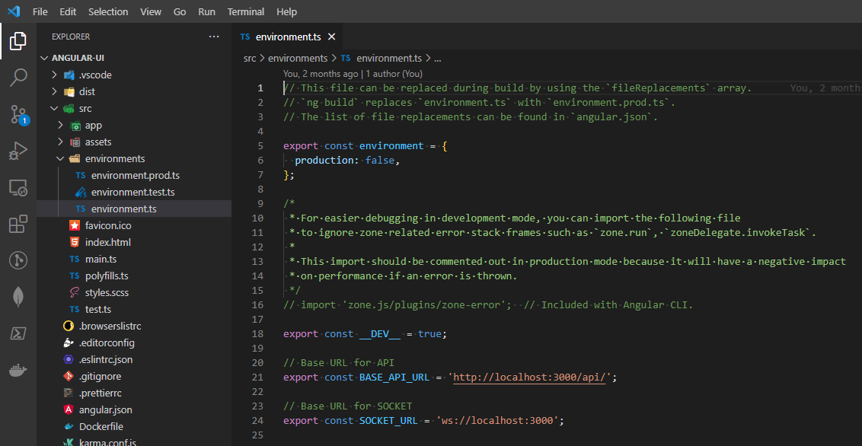

 |  |  |  | Change to HOST, POST of NodeAPI Server

 |  |  |  | Change to HOST, POST of NodeAPI Server

 | 3.3. Start AngularUI
 |  | - Run CMD "npm Start" to start DEV

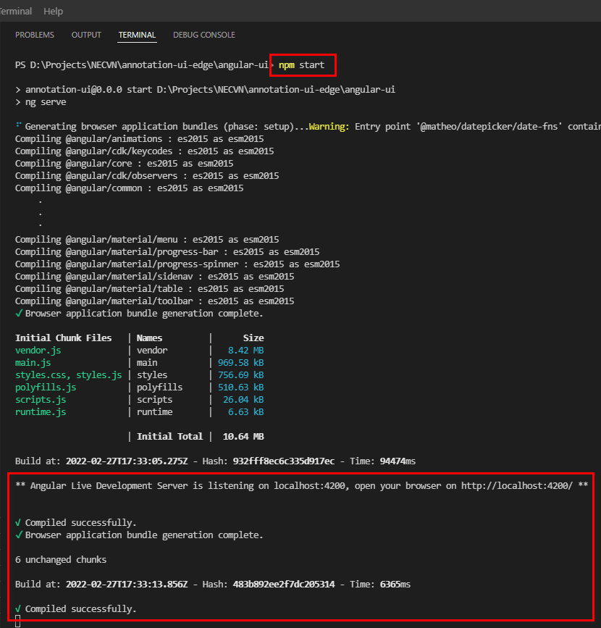

 | 3.4. Check AngularUI after Run

 |  | Access to URL: http://localhost:4200 to view result

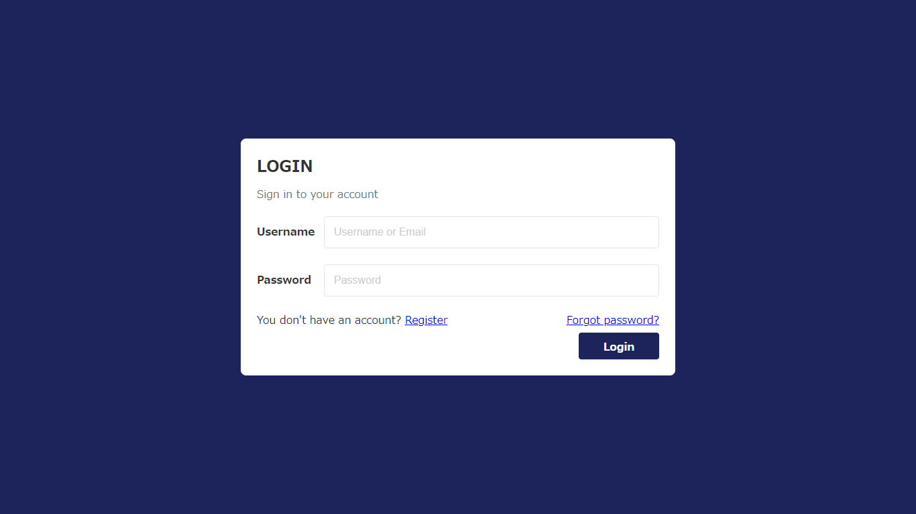

 |  | - After Register successfully, please connect to MongoDB to edit: status="active", role="admin"
 |  | => Use the registered user to login Edge version

Edge Deploy Manual
Annotation UI - Edge Deploy Manual
(Just like the Cloud version, Edge also uses the same technologies, installation and deployment is almost the same as Cloud.)

1. Required
 | 1.1. Software and development tools

 |  | - Unix (Linux or Ubuntu), this document use Ubuntu 20.04 LTS
 |  | - Docker Desktop for Ubuntu - https://docs.docker.com/engine/install/ubuntu/
 |  | - Docker Compose - https://docs.docker.com/compose/install/
 |  | - NodeJS 14.x or Later - https://nodejs.org/en/

2. Install dependencies and build project
 | 2.1. Install dependencies
 |  | - In the Ubuntu system, open terminal, go to root project folder

 |  | - And run CMD "npm run solve" to install dependencies

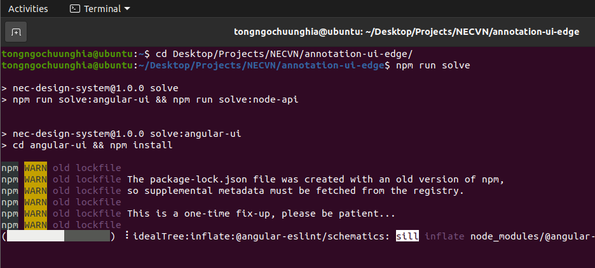

 | 2.2. Edit environment for PROD
 |  | 2.2.1. Edit MongoDB information
 |  | - Edit MongoDB info at "<project>/environments/mongodb.env" if need

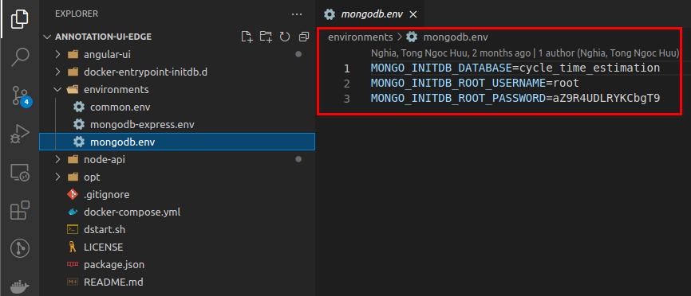

 |  | 2.2.2. Edit environment of NodeAPI Server
 |  | - Edit "<project>/node-api/.env" (using any text editor tools to edit)

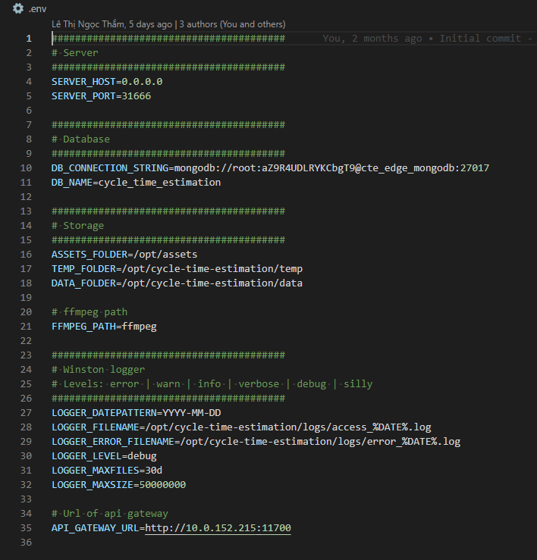

 |  |  | In PROD mode, please setting "0.0.0.0" or public Ip Address
 |  |  | Port of NodeAPI Server PROD

 |  |  | MongoDB connection string
 |  |  | MongoDB name
 |  |  | (Please config info same with "<project>/evironments/mongodb.env")

 |  |  | Folder path using to stored file

 |  |  | Ffmpeg tool path

 |  |  | Log access/error path

 |  |  | API Gateway, using to generate report

 |  | 2.2.3. Edit config nginx of AngularUI
 |  | - Edit "<project>/angular-ui/nginx.conf" (using any text editor tools to edit)

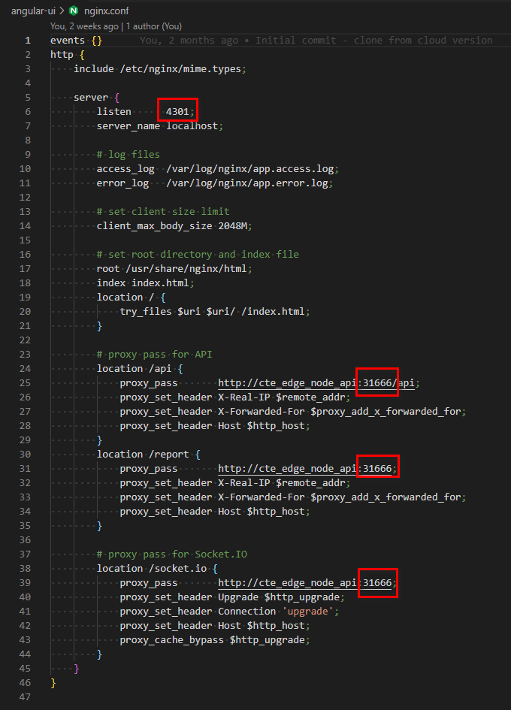

 |  |  | PORT of PROD FrontEnd (Annotation UI)

 |  |  | Maximum file size allow upload to annoration ui

 |  |  | Port of NodeAPI Server
 |  |  | (Please config same with port of NodeAPI Server)

 |  |  | Port of NodeAPI Server
 |  |  | (Please config same with port of NodeAPI Server)

 |  |  | Port of NodeAPI Server
 |  |  | (Please config same with port of NodeAPI Server)

 |  | 2.2.4. Edit environment of AngularUI
 |  | - Edit "<project>/angular-ui/src/environments/environment.prod.ts" (using any text editor tools to edit)

 |  |  | Public IP Address of AngularUI Server
 |  |  | Port configured in the nginx.conf

 | 2.3. Build project
 |  | - Run CMD "npm run build" to build PROD

 |  | - Result after build success

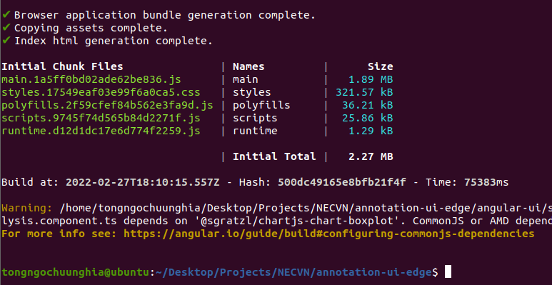

3. Deploy Edge Version
 | 3.1. Build docker images
 |  | - In the Ubuntu system, open terminal, go to root project folder

 |  | - Continue, run "sudo docker-compose build" in terminal

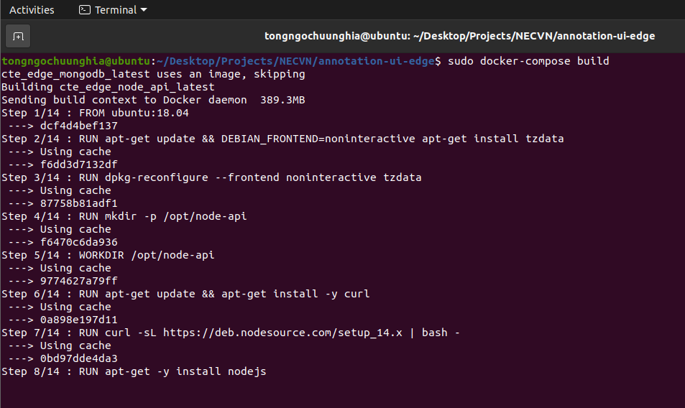

 |  | - Result after build docker images successfully

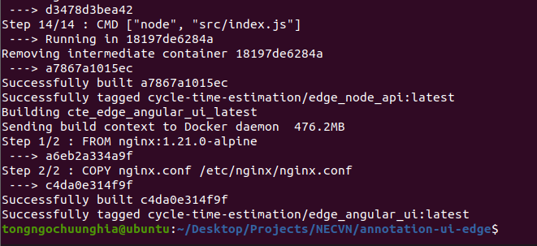

 |  | - Run "sudo docker image" to view images after build

 | 3.1. Start docker container (run all services)
 |  | - In terminal, run command "sudo docker-compose up -d" to start docker container

 |  | - Run "sudo docker ps" to view running container

4. Viewing Result
 |  | - Point browser to "ip address of machine:4301", e.g. "192.168.10.122:4301"

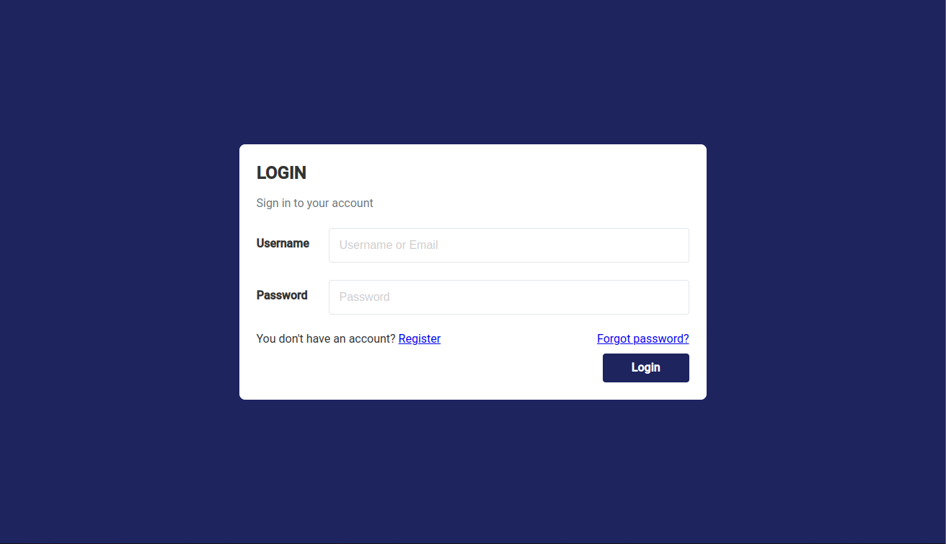

 |  | After system init:
 |  | Please use the username/password the first time you use it:
 |  | - username: admin
 |  | - Password: 123456

5. Stop/start/restart docker
 | Refer to sheet "Cloud Deploy Manual" > "7. Stop/start/restart docker" for detail

